COVER PAGE
MAKHADO LOCAL MUNICIPALITY
1ST QUARTER PERFORMANCE REPORT 2015/2016
SERVICE DELIVERY AND BUDGET IMPLEMENTATION PLAN
(HIGHER/ORGANISATIONAL LEVEL)
FOR
2015/2016 FINANCIAL YEAR

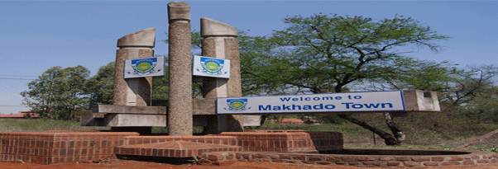

VIS MISS STRA MAP
2. VISION, MISSION AND STRATEGIC MAP
VISION, MISSION AND STRATEGIC MAP The Vision of Makhado Local Municipality is: “A dynamic hub for socio – economic development by 2025" The Mission of Makhado Local Municipality is: To ensure effective utilization of economic resources to address socio- economic imperatives through mining, tourism and agriculture Makhado Muncipality has identified 8 Strategic Objectives which are contained in the Intergrated Development Plan. All municipal programmes will be aligned to the objectives outlined in the figure below:

